SITE SETTINGS
Site Settings: | This page will configure the environment of entire application
Tables | CXS_SITE_SETTINGS
 | CXS_COMMON_WORDS
Page Layout

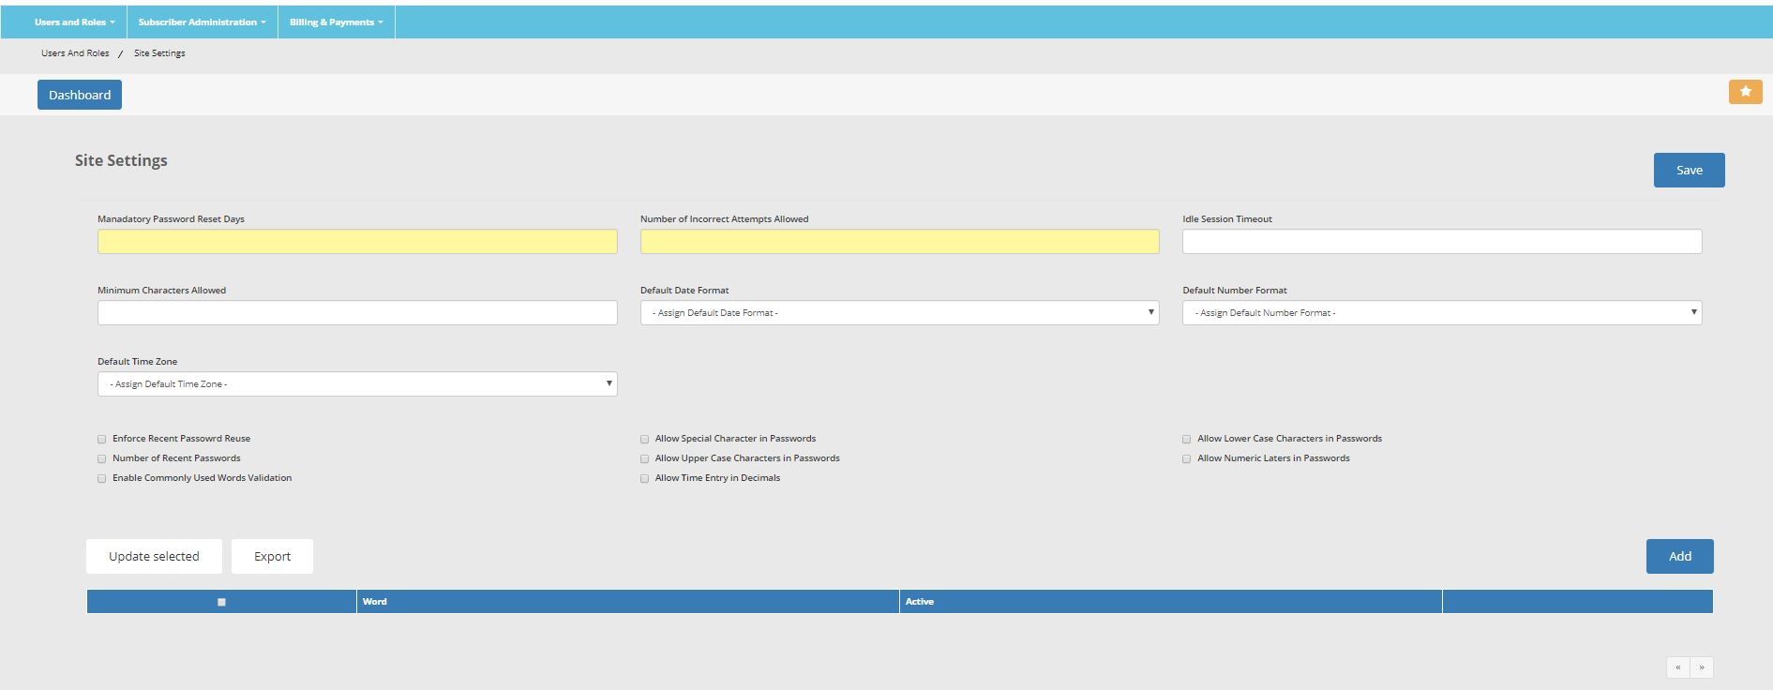

Validations for Fields

1 | Mandatory Password Reset Days |  | 2 | Incorrect Attempts Allowed | 3 | Idle Session Timeout
 | - Must accept only a numeric value |  |  | - Must accept only a numeric value |  | - Must accept only a numeric value
 | - Must not exceed more than 2 digits |  |  | - Must not exceed more than 2 digits |  | - Time out is in seconds. For e.g if 3600 seconds are entered that means = 1 hour
 |  |  |  |  |  | - No commas or any punctuation mark

4 | Minimum Characters Allowed |  | 5 | Default Date Format | 6 | Remove Number Format Field Completely
 | - Must accept only a numeric value |  |  | Following Drop Down Values to Appear
 |  |  |  | DD-MON-YYYY | 7 | Default Time Zone (Move Default Time zone drop box in the place of #6 Number Format once Remove Number field is removed)
 |  |  |  | MON-DD-YYYY |  | Alaskan
 |  |  |  | DD/MM/YYYY |  | Hawaiian
 |  |  |  | MM/DD/YYYY |  | Pacific
 |  |  |  | DD/MM/YY |  | Mountain
 |  |  |  | MM/DD/YY |  | Central
 |  |  |  | DAY. Date, Month, Year |  | Eastern
 |  |  |  | DD/MM
 |  |  |  | MM/DD | 8 | All Checkbox to have usual Insert Update functionality
 |  |  |  | MON-DD
 |  |  |  | DD-MON
9 | The ADD Button
 |  | When Add button is placed following popup will open

 |  | Add a word and check flag to active. When ADD button is clicked,
 |  | In the table CXS_COMMON_WORDS

3.Create new Subscribr Popup
Create Subscriber Popup

Current-Subscriber.html |  | Create Subscriber Pop Up

Section 1: Functional Essay

The subscriber administration page lists all users who are subscribed to each module and their usage history.

Section 2: Table Structure

CXS_SUBSCRIBERS

SUBSCRIBER_ID |  | NUMBER
USER_ID |  | NUMBER | Foreign key to CXS_USERS
FIRST_NAME |  | VARCHAR2(240)
MIDDLE_INITIAL |  | VARCHAR2(40)
LAST_NAME |  | VACHAR2(240)
CREATION_DATE |  | DATE
LAST_UPDATE_DATE |  | DATE
CREATED_BY |  | NUMBER
LAST_UDPATED_BY |  | NUMBER
START_DATE |  | DATE
END_DATE |  | DATE

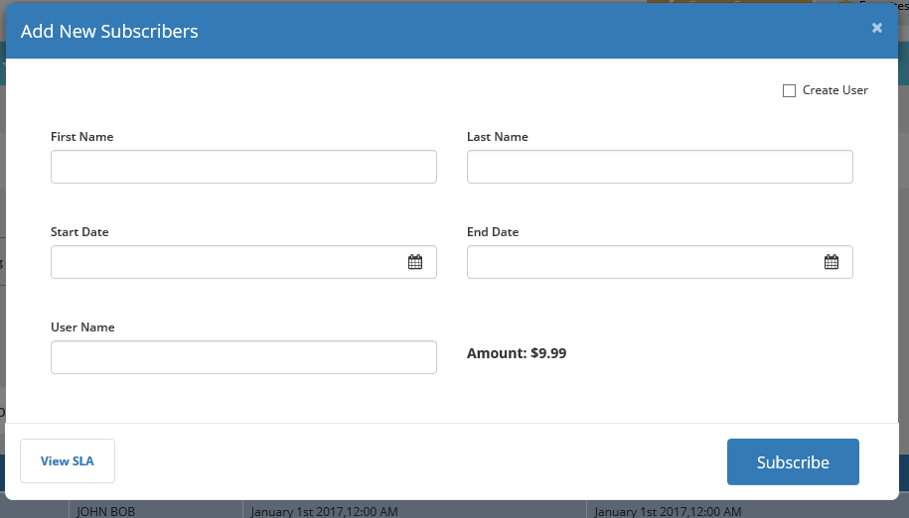

 | Functional Description.

1 | CREATE USER CHECKBOX

 | When this checkbox is checked
 | The username field becomes a required yellow field
 | User must supply the USERNAME value that is unique
 | When this checkbox is NOT checked
 | The username field is grayed out and disabled.
 | User does not need to supply any value.

2 | WHAT HAPPENS WHEN SUBSCRIBE Button is clicked
 | Following validation and record creation should happen
 | a) First check whether the Create User is checked
 | b) If it is checked, then check, user name field is populated with a Username
 | c) If value is populated then check, Username meets following naming conventions
 |  | USERNAME must accept only values in UPPERCASE. Spaces are not allowed in Username
 | d)Then check if this USERNAME is already taken or exist in database. If it exists then display following error on the screen
 |  | "This username is taken, Please enter a different username"
 | e) After all above validations are successful, create a user ID record in database by populating following tables. In the order mentioned below.
 |  | CXS_USERS
 |  | CXS_APPLICATION_ASSIGMENTS
 | f) After all above validations are successful, create a subscriber record in CXS_SUBSCRIBER table.
 | g) Clear Popup for a new entry.
 | h) When Popup is closed, it shoudl refresh the data grid on main data grid page

3 | FROM WHERE THE AMOUNT WILL COME FROM?

 | It will come from admin panel.
 | Thsi is pending design items

4.Subscriber Administration Dat
SUBSCRIBER ADMINISTRATION DATA GRID

Current-Subscriber.html |  | Create Subscriber Pop Up

Section 1: Functional Essay

The subscriber administration data grid will display all subscribers existing in the system

Section 2: Table Structure

Following table will be used to read data and dump to data grid
 | CXS_SUBSCRIBERS

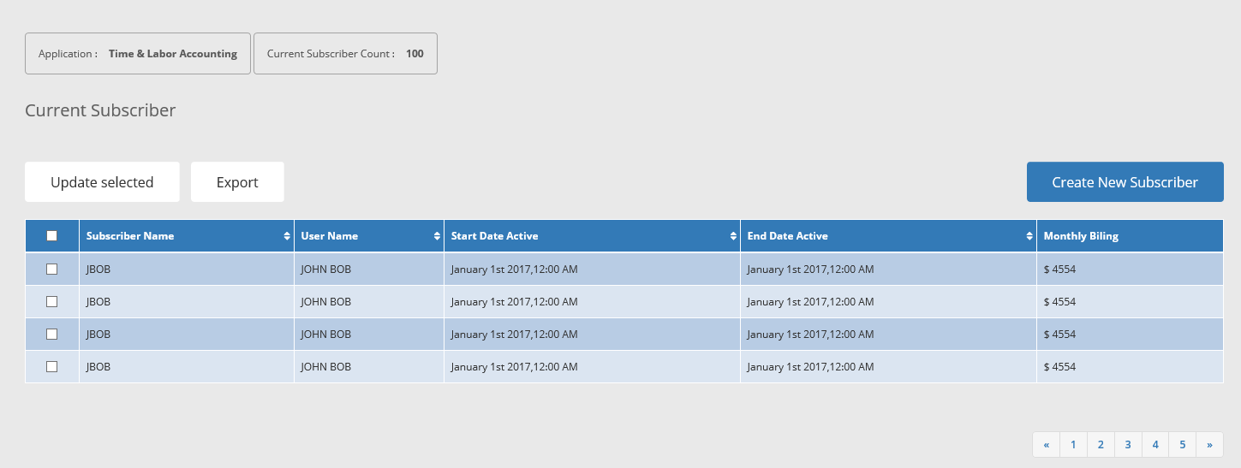

1 | DISPLAY ONLY FIELD
 | Application: Will display application drop down from CXS_APPLICATIONS
 | Current Subscriber Count: Will display total number of subscribers by application

2 | UPDATE SELECTED BUTTON

 | When Update Selected button is clicked, it should do following.

 | 1. Allow only those records in the data grid that has check box checked.
 | 2. Only checked check boxes record in data grid qualify for edits.
 | 3. When records are selected for update, and the button is clicked, it shoudl make all fields editable
 | 4. If the main checkbox in grid header row is selected, that meansd it should select all rows that is dispalyed on that page and make entire grid page editable.
 | 5. After update , click "SAVE" button to Save
 | 6. Update activity will update Last Updated By and Last Update Date information in columns LAST_UPDATED_BY and LAST_UPDATE_DATE respectively.

3 | EXPORT BUTTON

 | When Export button is clicked, following should happen

 | 1. Only checked records in the data grid will be exported
 | 2. If all records are checked then all records will be exported
 | 3. The export file must be an excel file.

4 | BEHAVIOR OF EYE ICON

 | When eye icon for each grid is clicked, it should show following information for EACH record.
 | Creation Date: Update from CREATION_DATE
 | Created By: Update from CREATED_BY
 | Last Update Date: Update from LAST_UPDATED_DATE
 | Updated By: Update from LAST_UPDTED_BY

5 | WHAT SHOULD HAPPEN WHEN A RECORD IS CLICKED IN A GRID

 | Open a displayed only popup showing the clicked record in a popup form format.
 | You can use the same pop up under "Create User" button, but the entire form should be display only

MISC
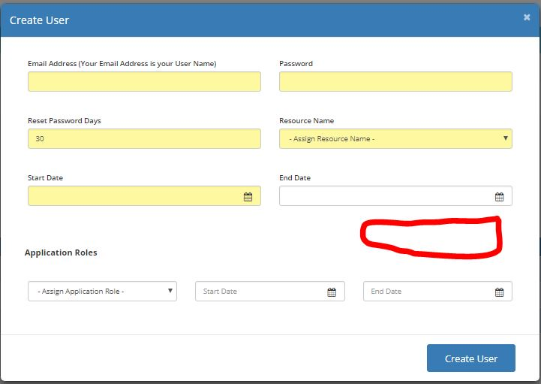
1. Move Usage History Find region behind Find button as shown in other pages.
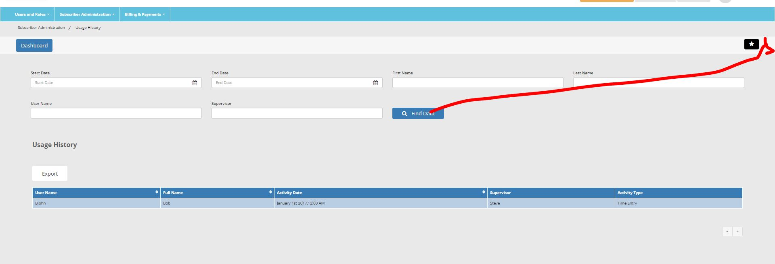

2. Under Access Management Display Popup
Near by Role Details heading put - sign and user name
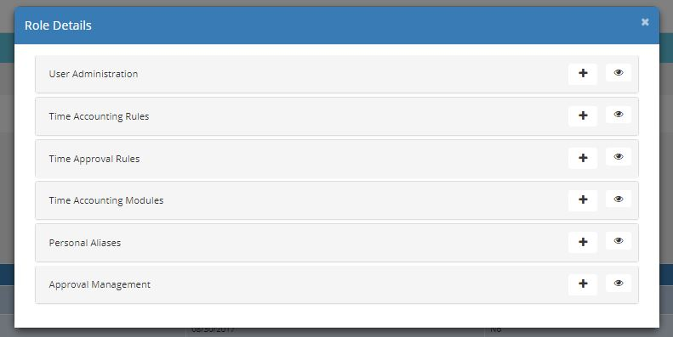

3. Under Create User Popup introduce a Upload Photo Feature. Make appropriate changes to database.
This is the photo that will be a thubnail image too on the top right corner of the screen

